1. Title Page
[Instacart Basket Analysis]

Project Name: Instacart Basket Analysis
Date: 08/10/2022
Analyst Name: Chris Arnold

Contents:
Population Flow
Consistency checks
Wrangling steps
Column derivations
Visualizations
Recommendations

Citation: “The Instacart Online Grocery Shopping Dataset 2017”, Accessed from https://www.instacart.com/datasets/grocery-shopping-2017

2. Population Flow
 |  |  | Title page

Population flow

Exclusion flag
Condition: max_order < 5
Obervations to be removed: 28,448
Final total count of order_products_all: 32406041

Orders_products_all
Orders_products_combined
Orders_products_merged

Total:
Total:
Total:
32,434,489 | 32,406,041 | 32406041

1.) The grey boxes in the first row of the population flow represent the original data sets as they were when you downloaded them. In the Total fields you need to add the count of the rows when you imported the data set into Jupyter.
2.) The second row of boxes (coloured) represents the data sets after you manipulated them, e.g., removed missing values and duplicates. In the Total fields you need to add the count of the rows after conducting these operations. This offers a visual oveview of how the data flows throughout the data consistency checks.
3.) The third row, where also the arrows are coloured, represents the merges you performed between the datasets. In the Total fields you need to add the count of the rows in the merged datasets, so that you end up with the final dataset (in the red box). Keep in mind the final dataset should be without exclusions (based on the exclusion flag).

3. Consistency checks
 |  |  |  | Title page
Consistency checks

Dataset | Missing values | Missing values treatment | Duplicates
orders | 206209 | Made not but changed nothing | None
products | 16 | a data set was created without the missing values | 5 duplicated found, a new data set was created without duplicates
orders_products_prior | None | None | None
customers | None | None | None

4. Wrangling steps
 |  |  |  | Title page
Wrangling steps

Columns dropped | Columns renamed | Columns' type changed | Comment/Reason
 | order_dow to orders_day_of_week |  | name was not clear
 |  | orders_id type to string | column acts as key
 |  | user_id type to string | column acts as key
 | First name to firstname |  | more consistent with rest of data
 | Surnam to last_name |  | more consistent and fixed typo
 | fam_status to marital_status |  | easier to understand
 | n_dependants to no_of_dependents |  | clearer
 | Gender to gender |  | consistency
 | Age to age |  | consistency
 | STATE to state |  | consistency
 |  | first_name to string | data types were mixed
first_name |  |  | data privacy
last_name |  |  | data privacy

5. Column derivations
 |  |  |  |  |  | Title page

Column derivations and aggregations

Dataset | New column | Column/s it was derived from | Conditions
df_complete
 | price_range_loc | prices column | prices >15 are high range products | Mid-range product | 21861997
 |  |  | prices less than or equals to 15 and greater than 5 are mid range products | Low-range product | 10126366
 |  |  | prices less than or equals to 5 are low range products | High-range product | 417678

 | busiest_day | orders_day_of_week | busiest day is day 0, least busy is day 4, rest are regularly busy | Regularly busy | 22417684
 |  |  |  | Busiest day | 6204404
 |  |  |  | Least busy | 3783953

 | busiest_days | orders_day_of_week | 0 and 1 are the busiest days, 4 and 3 are the least busy days, rest are regularly busy
 |  |  |  | Regularly busy | 22360936
 |  |  |  | Busiest days | 6204404
 |  |  |  | Least busy days | 3840701

 | max_order | user_id | max number of orders for each user
 |  | order_number

 | loyalty_flag | max_order | If the maximum orders the user has made is over 40, then the customer will be labeled a “Loyal customer.”
 |  |  | If the maximum orders the user has made is over 10 but less than or equal to 40, then the customer will be labeled a regular customer | Regular customer | 15877395
 |  |  | If the maximum orders the user has made is less than or equal to 10, then the customer will be labeled a new customer | Loyal Customer | 10284396
 |  |  |  | New customer | 6244250

 | mean_prices | prices | mean price of each users orders

 | Spender_type | mean_price | If the mean of the prices of products purchased by a user is lower than 10, then flag them as a “Low spender.”
 |  |  | If the mean of the prices of products purchased by a user is higher than or equal to 10, then flag them as a high spender | Low Spender | 31771789
 |  |  |  | High Spender | 634252

 | median_prior_days | days_since_prior_order | median value of days since prior order of each user

 | order_frequency | median_prior_days | If the median of “days_since_prior_order” is higher than 20, then the customer should be labeled a “Non-frequent customer.”
 |  |  | If the median is higher than 10 and lower than or equal to 20, then the customer should be labeled a “Regular customer.” | Frequent customer | 21560324
 |  |  | If the median is lower than or equal to 10, then the customer should be labeled a “Frequent customer.” | Regular customer | 7209005
 |  |  |  | Non-frequent customer | 3636707

 | total_orders | user_id | count of amount of times each user_id appears

 | low_activity_flag | total_orders | low activity customers have less than 5 orders, regular activity customers have greater than 5 orders
 |  |  |  | Regular Activity | 30965686
 |  |  |  | Low Activity | 1440355

 | Region | state | states were divided into their respective regions
 |  |  |  | South | 10792300
 |  |  |  | West | 8293217
 |  |  |  | Midwest | 7597585
 |  |  |  | Northeast | 5722939

 | Age_Range | age | young adults range from 18-24, adults range from 24-64, seniors are over 64
 |  |  |  | Adult | 14683931
 |  |  |  | Senior | 8575361
 |  |  |  | Young adult | 9146749

 | income_flag | income | Poor/near poor ranges from 0-$32,048
 |  |  | Lower middle class ranges from 32,048-53,413 | Middle class | 28058906
 |  |  | Middle class ranges from 53,413-106,827 | Lower middle class | 3764367
 |  |  | these values are the official ranges for the US in 2017 | Poor or near poor | 523780
 |  |  |  | Wealthy | 58988

6. Recommendation&Visualization
 |  |  |  | Title page

Recommendations

In this tab you should include any recommendations you would made to Instcart in terms of their marketing strategy based on the questions posed in the brief. Every key question has been covered in the Tasks of the Exercises - here you need to add an item - a visualisation or table/crosstable that is showing the answer in the data, acompanied by a comment from you. Please, list the questions below and add the answer underneath.

Question
The sales team needs to know what the busiest days of the week and hours of the day are in order to schedule ads at times when there are fewer orders
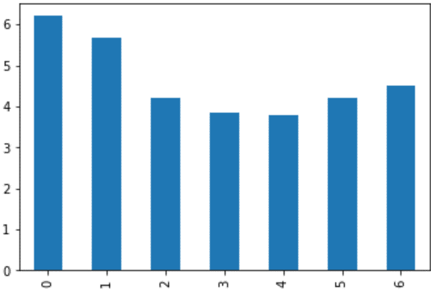
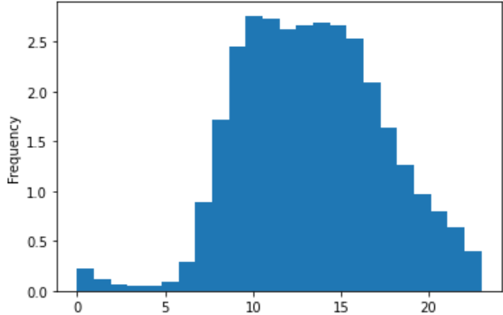

 | The first chart above(to the left) shows how busy each day of the week is with 0-6 being Saturday, Sunday, Monday, Tuesday, Wednesday, Thursday, and Friday (on the x axis) the busiest days are Friday, Saturday and Sunday.
 | Running ads during the weekdays is advised.
 | The second chart on the left is a histogram of the number of orders made for each hour of the day. The busiest hours of the day are from 10am-3pm (mid day).
 | The recommended hours for ads should be outside of the 10am-3pm window.

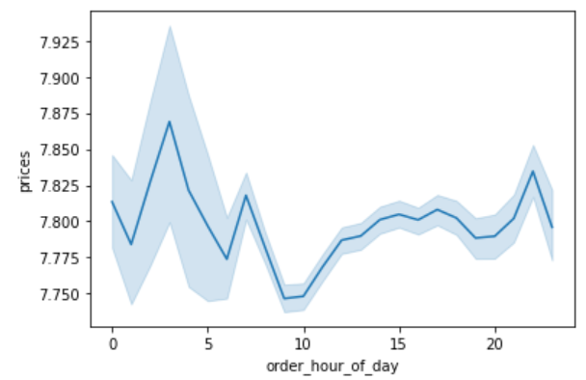
They also want to know whether there are particular times of the day when people spend the most money, as this might inform the type of products they advertise at these times.

 | The above chart shows the hour of the day from 0-24 versus the amount that is spent during that time. Note that the peak spending 3am, 7am, and 11pm, and the biggest trough is at 9am and 10am.

Instacart has a lot of products with different price tags. Marketing and sales want to use simpler price range groupings to help direct their efforts.
 | Total
High Range Product | 0.011011131912
Low Range Products | 0.32801900276
Mid Range Product | 0.66096986533

 | The above pie chart shows the percentage distribution of products in the price ranges as follows; High Range Products (>$15), Mid Range Products (>$5 and <=$15) and Low range products (<=$5)

Are there certain types of products that are more popular than others? The marketing and sales teams want to know which departments have the highest frequency of product orders.
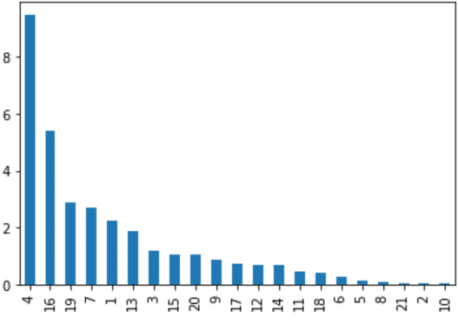
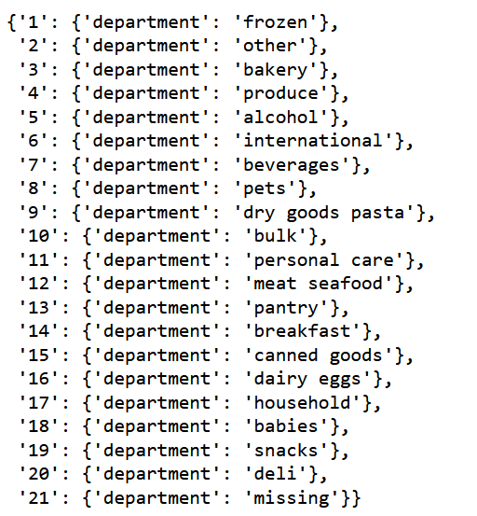

 | The above chart shows the departments from most ordered to least ordered. This shows that departments 4, 16, 19 and 7 ( 4:Produce, 16: Dairy eggs, 19: Snacks, and 7: Beverages) are the most ordered from departments.

What’s the distribution among users in regards to their brand loyalty (i.e., how often do they return to Instacart)?
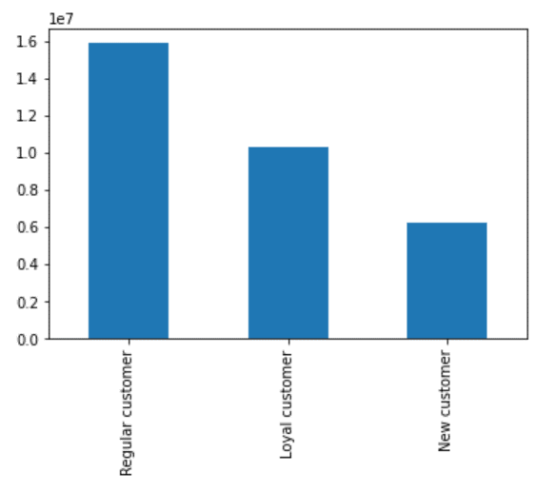

 |  | Regular Customer 49.0 %
 |  | Loyal Customer 31.74 %
 |  | New Customer 19.27 %

 | Customers were given a flag based on their loyalty. If the customer made over 40 orders they are considered a loyal customer. If they made over 10 but less than 40 then the are a regular customer. If they made less than or equal to 10, they are a new customer.
 | As shown above, almost half of customers are considered regular, and the other half are split between loyal and new customers.
 | If the advertizing targeted new and regular customers, then they could be influenced towards becoming loyal customers.

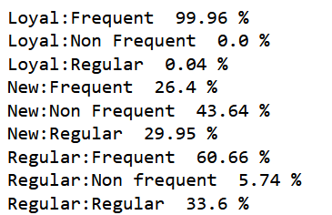
Are there differences in ordering habits based on a customer’s loyalty status?
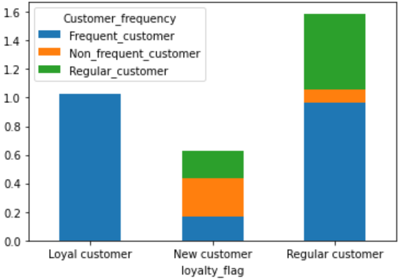

 | The above chart shows the division of the loyalty customer types and ther shopping frequency division.
 | Loyal customers are made up almost entirely of frequent shoppers.
 | New customers have the highest amount of non frequent customers.
 | Regular (loyalty) customers have a higher portion of frequent customers and regular (frequency) customers than of new customers.
 | Advertizements for new customers and regular customers should be sent out on less busy days of the week to encourage them to shop more often.

 | This table shown abe displays the percentage of the orders for each department that the loyalty groups place.
 | Notice that all 3 groups have department 4: produce as their top ordered department.
 | This is being included as a reference/guide for product advertizement for the specific loyalty groups.

Are there differences in ordering habits based on a customer’s region?
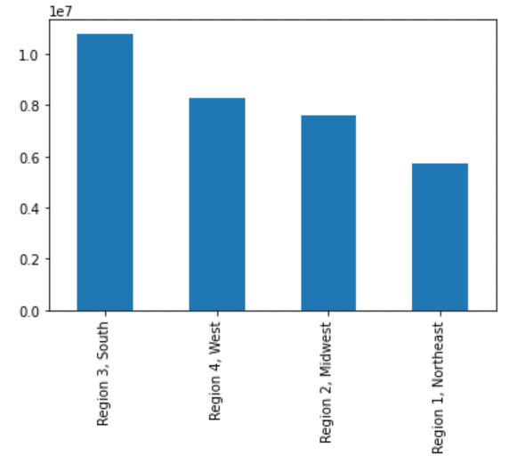
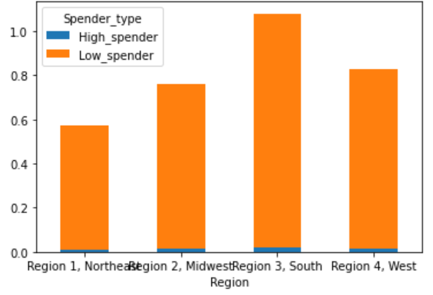
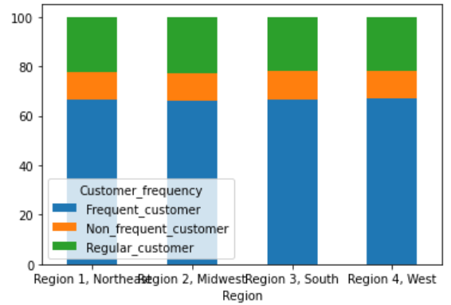

 | In general the south has the most shoppers with the company and the northeast has the least as shown in the table furthest to the right above.
 | The high spenders in each region make up a very small proportion of the entire customer population as shown in the center stacked chart above.
 | The third chart above to the right shows each regions proportion of customers divided into their frequency of shopping. It stays very consistent across all 4 regions of the USA.

What different classifications does the demographic information suggest? Age? Income? Family status?

Age Groups
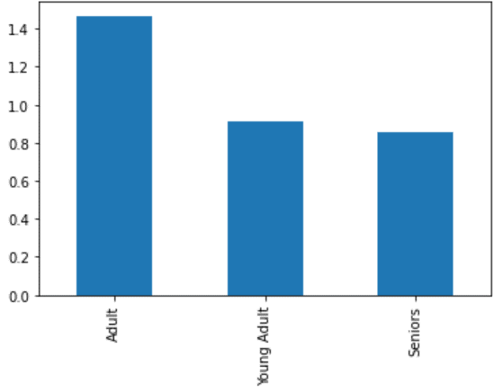
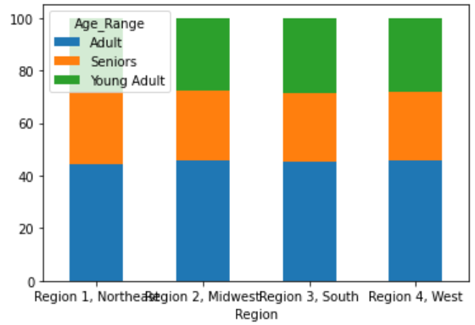
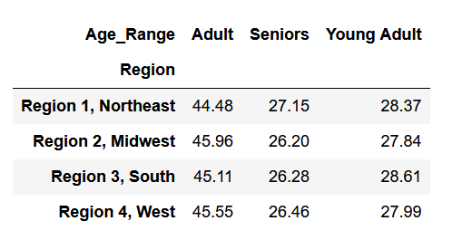

 | The above chart to the left shows the division of the three age groups: Young adults age range 18-24, adults 25-64, and seniors which are above 65. The highest category in our data set are Adults and the young adults and seniors are not far off from each other.
 | The above chart to the right shows that the age divisions across the regions are relatively even when it comes to the orders placed.

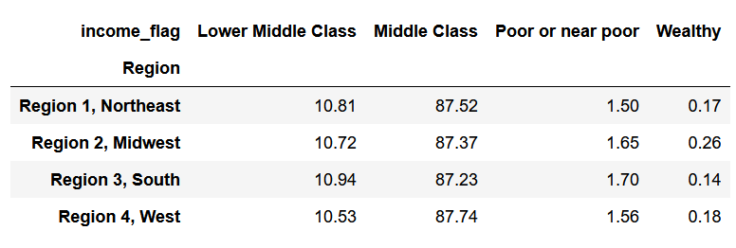
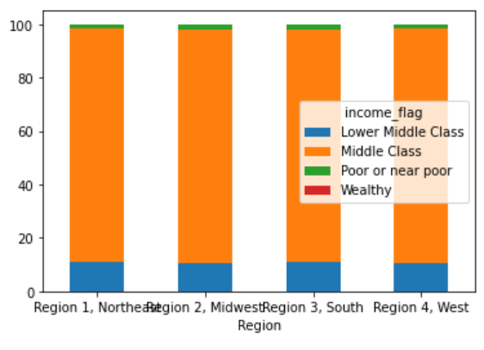
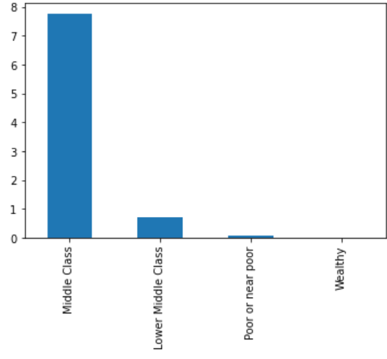
Income
 |  |  |  |  | The income categories are as follows
 |  |  |  |  | Poor or near poor | < $32048
 |  |  |  |  | Lower middle class | $32048 <= x < $53413
 |  |  |  |  | Middle class | 53413 <= x < $106827
 |  |  |  |  | Wealthy | >= $106827

 | As shown above, the income classes are pretty evenly divided among orders to instacart.
 | Orders come from mostly middle class as shown above to the right with the wealthy and poor/near poow only making a small amount of the overall orders.
 | Advertizing should focus on the lower middle class/poor or near poor and wealthy to try to get more business from them.

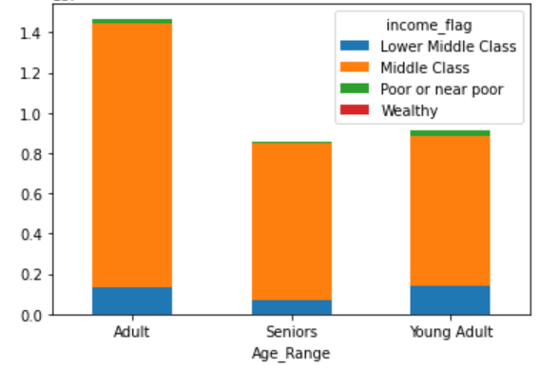

 | The young adult category has the highest percentage in the poor or near poor category along with the highest amount in lower middle class. (this would make sense since people are starting off with their careers
 | Notice above also shows that the adult category shows the most orders, and the seniors shows the least amount of orders placed.
 | Advertizing should focus on seniors and young adults to try to entice them to shop more.

Family Status
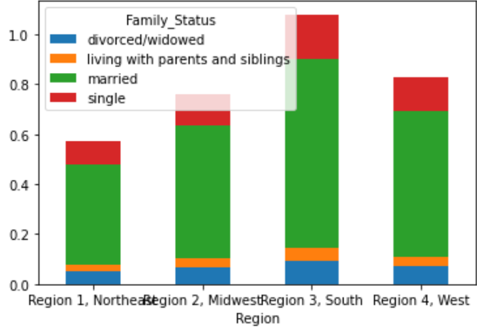

 | The above chart shows the breakdown of family status in the regions set up for this analysis.
 | The percentage of total from each region is negligible when comparing region to region.
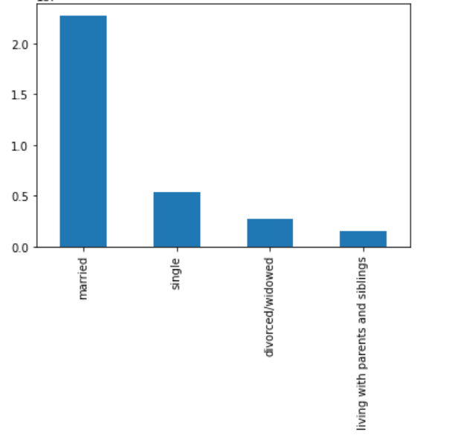
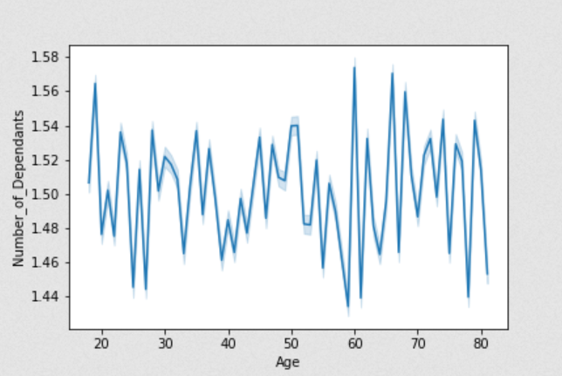

 | The chart above to the left shows the orders that come in from the breakdown of family status.
 | Married status orders the most by far so advertizing should focust towards the single, divorced/widowed, and living with parents and siblings categories
 | One other thing to note comes from the chart above to the right. Notice that the number of dependants is not correlated with age as the chart shows this relationship is random.

What differences can you find in ordering habits of different customer profiles? Consider the price of orders, the frequency of orders, the products customers are ordering, and anything else you can think of

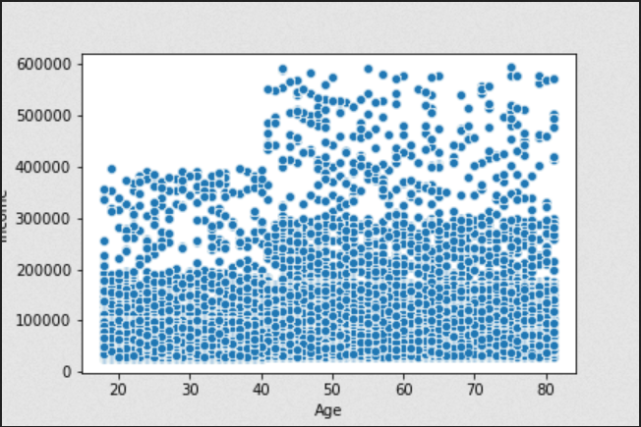

 | The scatter plot above to the left shows income versus age. From this is is clear that the ability to spend get higher as a person gets older with a clear breaking point around age 40.
 | Targeted ads that show more expensive items to customers over 40 will likely bring a boost sales of those items.
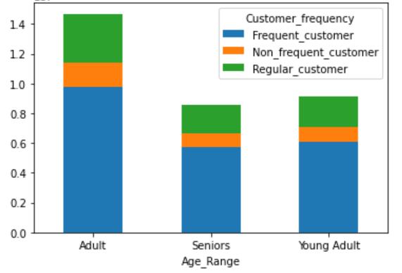

 |  |  | Percentages for chart to the right above

 | The percentages of the above age group separations for customer frequency are very close to the same across the board.
 | Seniors have marginally higher frequent customer numbers than adults and young adults.
 | Advertizements that target more specific aspects of each group would be the best course of action in relation to this specific data.

 | Although cliché, there is a slightly higher percentage of purchases in the alcohol department (dep 5) among the young adult group.
 | Across all age ranges, they for the most part order the same departments with relatively the same percentages.
 | In general, departments with higher percentages should be advertized overall.

Is there a connection between age and family status in terms of ordering habits?
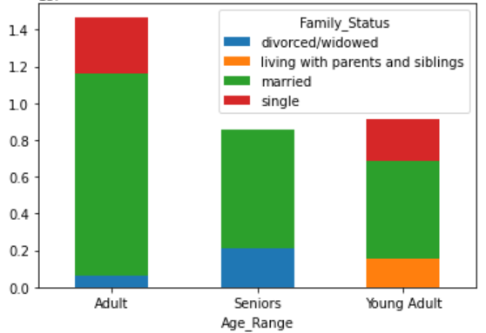

 |  |  | Percentages for the chart to the left are shown above

 | Adult married subset places the most orders within Instacart.
 | There are no divorced/widowed young adults, or adults/seniors living with parents and siblings, or single seniors that placed orders with Instacart.
 | Following this logic and what is shown, the older a person is, the more likely they are to be married.
 | Orders made by divorced and widowed customers are only made by adults and seniors.
 | All orders made by customers living with parents and siblings are young adults.
 | Taking all of this in to account, a specific insight from this is that an ad targeting young adults would also hit the demographic of customers living with parents and siblings.

